Agenda
Chapter 1 Agenda

01-01 The (Brief) History of Spreadsheets (Click on HISTORY tab below)

01-02 Getting to Know Excel

Workbooks and worksheets (tabbed pages)
Tabbed pages for organization
Row and column layout
Cell addresses
Right-click for helpful menus
Change the name and other characteristics of a tabbed page
Entering text in cells
Change column widths and row heights
Make width/height the same over a range of rows/columns
Undo and Redo buttons - Ctrl-Z for Undo
Getting familiar with the menu ribbons
 | Home tab - Formatting commands
 | Other menu tabs

01-03 Set up example - Experiment with formats

 | Type in the information shown in Exhibit 1-1
 | Insert white space at top and left to improve appearance
 | Insert columns and rows
 | Change worksheet to Accounting format
 | Format cells with Home-tab commands
 | Difference between accounting and general formats with respect to underlining
 |  | and cell spacing
 | Move cells by dragging
 | Merge and center across multiple cells
 | What does ##### mean when displayed in cells?
 | Automatically fills in years, months, or other sequences automatically with autofill
 | Format cells for verticle and horizontal position
 | Change other cell formats
 | Format "on the fly" while making entries in cells
 | Using the Format Painter tool

Rule #1 for Creating Formulas
A formula should never contain a number unless the number is part of a cell reference or it is a TRUE constant.
01-04 Simple Formulas -Relative and Absolute References

 | Enter Net Income data from Table 1-2 on Page 15
 | Use Tab and Shift-Tab to move right and left between cells
 | Inserting columns while preserving formatting
 | Must begin formulas with a mathematical symbol - + = ( etc.
 | Note Rule #1 for creating formulas
 | Point to cells with the mouse to automatically enter cell references in formulas
 | Double click in a cell to show the formula - note the color coding of the formula components
 | See how cell references automatically adjust when cells are copied
 | Understand the difference between relative and absolute cell references in formulas
 | Use F4 to set and cycle the $ locks in cell references
 | See the Cell References Example page
 | How does copying and moving formulas affect the cell references?

01-05 Naming Cells and Ranges

 | Naming cells and ranges - automatically locks any cell references that refer the the named cells
 | On the Main Example page, name the ranges for Sales and Net Income
 | Redo the formula for Net Profit Margin using the new range names
 | Note the effects when that formula is copied across

 | Compute the annual growth rate for sales and net income.
 | Clean up formatting

01-06 Introducing Functions
 | Write a formula to compute the arithmetic average annual growth rate of sales and net income:

 |  |  | Arithmetic Mean:

 | Use parentheses to control the order of operations
 | Use the =sum function
 | Use the =average function

 | Compute the 3-year moving averages for the annual growth rates

01-07 Using the GEOMEAN function

 | Understand the difference between an arithmetic mean and a geometric mean (GEOMEAN Tab)
 | Use HELP to see what the GEOMEAN function does

$\sqrt[n]{\prod_{i=1}^{n}{(x_{i}}}$) OR ${\{\prod_{i=1}^{n}{(x_{i}})\}}^{1/n}$
 | Geometric Mean as defined in Excel:

 | Geometric Mean when inputs are rates
 | and the price-relative rates (1+r) are
 | used:

Note: =GEOMEAN will not work if any returns are negative. Use the price relative returns (1+r) instead of the raw returns for the appropriate result. Remember to subtract 1 from the GEOMEAN result.
 | Write a formula to compute the geometric mean of the annual growth rates
 | Cell-by-cell formula
 | Use the =product function to program the formula
 | Use the =Geomean function

01-08 Charts, Print Setup, and Final Formatting

 | Create a professional looking chart that shows Net Income on the left
 | axis, Net Profit Margin on the right axix, and the year on the x-axis.
 | Highlight the series to be used, including the labels
 | Select an appropriate template for the chart
 | Add and remove data series
 | Add an appropriate title and other formatting
 | Set chart limits and tick markers
 | Experiment with other chart types

 | Set the spreadsheet up to print appropriately

Ignore the section on user-defined functions (Pg. 25-26)

NOTE THE BEST PRACTICES LIST ON PAGE 37!!

Do problems 1-3 at the end of Chapter 1. Solutions are provided
on the class website.

History of Spreadsheets
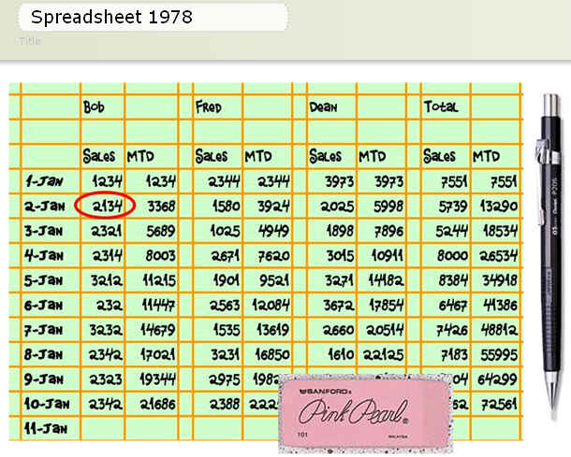
History of Spreadsheet Software

 | Before there were computers there were spreadsheets on paper
 | − | Very important tool for forecasting and preparing financial statements
 | − | Changing entries and doing what-if analysis were very time-intensive
 | − | Computations had to be done by hand or with a calculator and then entered
 | − | Finding errors was very difficult -- creating errors was very easy -- correcting errors meant doing a lot of erasing or starting over
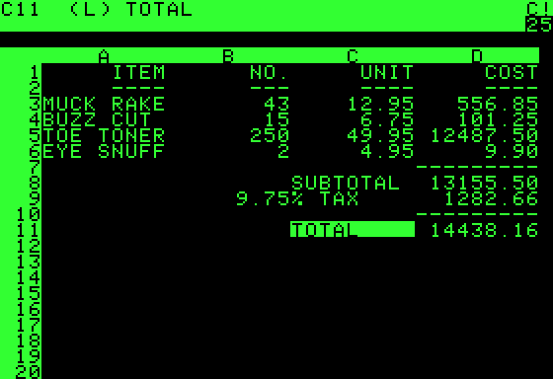
 | VisiCalc (1979)
 | − | First electronic spreadsheet - before PCs as we know them
 | − | Not much to run it on to begin with, but sparked the demand for this important tool in businesses -- and sparked the desktop PC revolution. The IBM PC was first introduced in 1981 as the first desktop computer for business use.
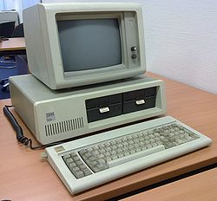
Original IBM PC (MSDOS). No hard drive (360K floppy disk drives), no mouse, no color, and VERY expensive -- $8,000 to $20,000 in today's dollars depending on options -- but a huge leap forward in productivity for accounting , finance , and most business functions.
 | − | No mouse, no menus, limited size, no links to other spreadsheets, but surprising powerful formulas (but very few built-in functions)
 | − | First "Killer App" - Made Dan Bricklin very rich
 |  | The entire program is 27k long. This file alone is
 |  | about 140k.
 | − | You can download and run the original program, all 27.5k of it, by clicking on this cell.
 |  | Unless your computer is a certified antique you will also need DOSBOX, which allows your nice modern computer emulate a certified antique so it can run the program. | Check out the specs!
 |  | Link to DOSBOX
 |  | See the original reference card here.
 | − | Clones soon appeared - Supercalc (1980), Microsoft Multiplan (1982), Lotus 123 (1983),Appleworks (1984), and Microsoft Excel (1985 for Mac, 1987 for Windows)
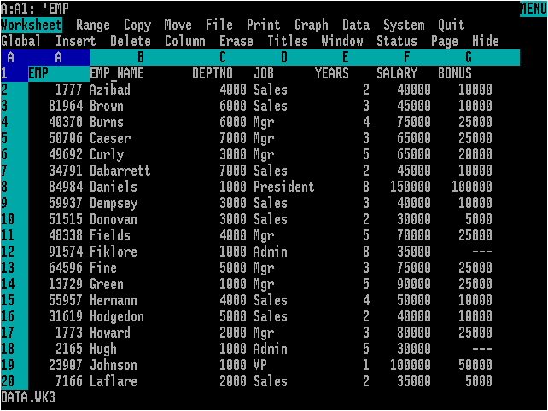
 | Lotus 123 (1983) Mitch Kapor
 | − | First spreadsheet program for MSDOS systems - the first real PCs for business
 | − | Stole the show from VisiCalc the first year it was released
 | − | Had menus (but still no mouse control), and many built-in financial and statistical functions
 | − | Quickly became the de-facto standard for business spreadsheets
 | − | Drove the PC revolution by making them essential to businesses
 | − | Was VERY expensive (about $1,200 in today's dollars), so it helped create software piracy

 | Borland Quattro (1984)
 | − | Cheap clone of Lotus with as much or more functionality
 | − | Exploited the fact the Lotus 1-2-3 was incredibly expensive
 | − | Got sued by Lotus and eventually discontinued Quattro

 | Microsoft Excel (1987 for PCs)
 | − | Did not take a hold for years because it ran on Windows only and early Windows versions were junk and not used much in businesses
 | − | Was accepted much earlier for Apples because that OS was much better, and that gave it a foothold in the market.
 | − | Better versions of Windows in the early 90s and the combination of Excel with Word and Powerpoint in the Office suite brought wider adoption.
 | − | By the mid-90s Excel was the business standard and Lotus was in decline
 | − | Still the business standard today but under attack from online and open-source competitors
 | Free and Online Competitors to Excel
 | − | Google Docs
 |  | Free, powerful, computer-independent, OS independent, web-based,
 |  | shareable, files saved online or on your computer, compatible
 |  | with Excel, powerful functions including the ability to
 |  | link to financial data on Google. Fewer functions than Excel.
 |  | Interface is still a bit clunnky, but it gets better all the time.
 | − | Zoho Sheet
 |  | Part of a large suite of free online apps.
 |  | All of the good things about Google Docs but with an
 |  | abundance of powerful functions and tools. This is a strong
 |  | competor for Excel with many advantages.
 | − | Apache Open Office
 |  | Free download. Not browser based. Very powerful.
 |  | Open source means that lots of people are tweaking it
 |  | to make it better, and adding lots of powerful functions.
 |  | Part of a large suite of related apps.
 | − | Lotus Symphony (IBM)
 |  | This suite has today's version of Lotus 1-2-3 -- for free!
 |  | IBM bought Lotus years ago and for some reason gives
 |  | most of their stuff away for free now. But that's fine,
 |  | because this Open Office derivative is very nice.
 |  | The user interface tweaks are outstanding, and it is
 |  | as powerful and fully-featured as anything commercial.
 | − | Kingsoft Free Office 2012
 |  | Free download. Not browser based.
 |  | Looks and acts like MS Office 2007, with lots of
 |  | built-in functions and powerful features in the spreadsheet.
 |  | Paid version has more features and is still a great value.
 |  | Has a great (not free) android app.

GEOMEAN
Geometric Mean Example

Results from Main Example page
 | Revenue | Net Income | Profit Margin
2006 | 11.29% | 2.82% | -7.62%
2007 | 15.67% | 11.64% | -3.49%
2008 | 17.96% | 25.71% | 6.57%
2009 | -3.28% | -17.60% | -14.80%
2010 | 11.94% | 23.40% | 10.24%
2011 | 11.94% | 23.40% | 10.24%
2012 | 5.40% | -26.66% | -30.42%

Annual Investment Performance

Initial Investment at beginning of 2006: |  |  | $10,000.00

 | % Chg | Dollar Change | Value at Year End | (1+r) | Formula Using PV(1+r) | Arith AVG as % Chg | Value at Year End | Geo Mean as % Chg | Value at Year End
Beginning Bal |  |  | $10,000.00 |  | $10,000.00 |  | $10,000.00 |  | $10,000.00
2006 | 11.29% | $1,129.49 | $11,129.49 | 1.1129 | $11,129.49 | 10.13% | $11,013.27 | 9.93% | $10,992.85
2007 | 15.67% | $1,744.24 | $12,873.73 | 1.1567 | $12,873.73 | 10.13% | $12,129.21 | 9.93% | $12,084.28
2008 | 17.96% | $2,311.75 | $15,185.48 | 1.1796 | $15,185.48 | 10.13% | $13,358.22 | 9.93% | $13,284.08
2009 | -3.28% | $(498.39) | $14,687.09 | 0.9672 | $14,687.09 | 10.13% | $14,711.76 | 9.93% | $14,602.99
2010 | 11.94% | $1,753.79 | $16,440.88 | 1.1194 | $16,440.88 | 10.13% | $16,202.46 | 9.93% | $16,052.86
2011 | 11.94% | $1,963.21 | $18,404.10 | 1.1194 | $18,404.10 | 10.13% | $17,844.20 | 9.93% | $17,646.67
2012 | 5.40% | $994.63 | $19,398.73 | 1.0540 | $19,398.73 | 10.13% | $19,652.30 | 9.93% | $19,398.73

Arith AVG: | 10.13%

Geo Average: | 9.93%

=GEOMEAN: | 9.93%

Chart1
 | 2012 | 2011 | 2010 | 2009 | 2008 | 2007 | 2006 | 2005
Revenue | 73,723 | 69,943 | 62,482 | 58,437 | 60,420 | 51,222 | 44,282 | 39,788
Net Income | 16,978 | 23,150 | 18,760 | 14,569 | 17,681 | 14,065 | 12,599 | 12,254
Profit Margin | 23.0% | 33.1% | 30.0% | 24.9% | 29.3% | 27.5% | 28.5% | 30.8%

Net Income and Profit Margin

Cell References Example
RELATIVE cell references in formulas are POSITIONAL MAPS that point to the POSITION of other cells RELATIVE to the position of the formula. When the formula is COPIED to another location the CELL REFERENCE will change but the POSITIONAL MAP will stay the same.
An ABSOLUTE cell reference refers to a specific cell and will not change when the formula is copied somewhere else. Use the F4 key to toggle the dollar signs that denote absolute references.
References to NAMED CELLS are always ABSOLUTE.
MOVING a cell does not change the formula in it.

Cat1 | Cat2 | Cat3 | Cat4 | Cat5
Dog1 | Dog2 | Dog3 | Dog4 | Dog5
Bird1 | Bird2 | Bird3 | Bird4 | Bird5
Fish1 | Fish2 | Fish3 | Fish4 | Fish5
Bug1 | Bug2 | Bug3 | Bug4 | Bug5

 |  |  | Cat1

